Torch Module
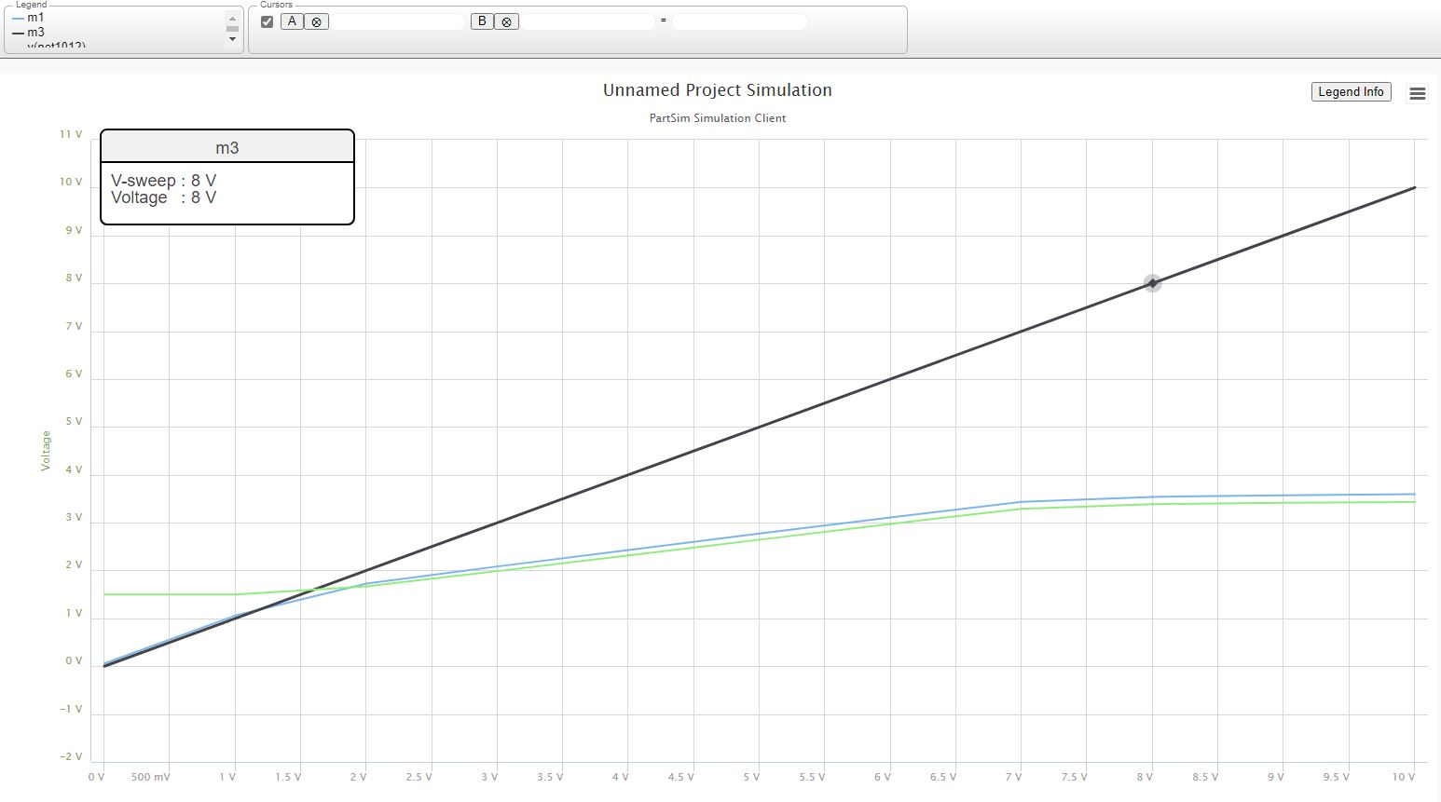
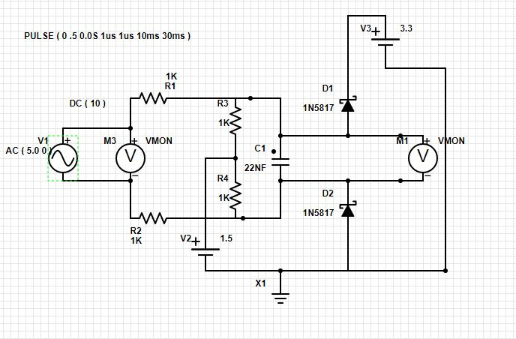
input | output
0.5 | 0.559
1 | 1.059
1.5 | 1.51
2 | 1.73
2.5 | 1.91
3 | 2.09
3.5 | 2.26
4 | 2.425
4.5 | 2.6

